Sheet1
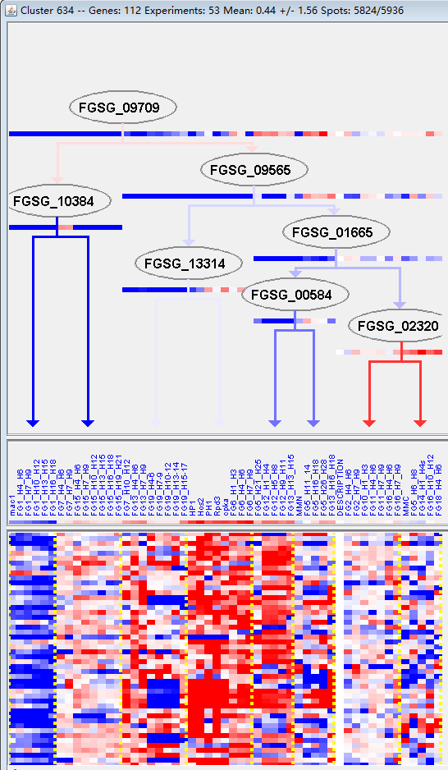
k | Filter | FUNCTIONAL CATEGORY | abs SET | rel SET | genes SET | abs GENOME | rel GENOME | rel SET/rel GENOME | P-VALUE | Bonferroni_corr | FDR
20.01.01.01.01 heavy metal ion transport (Cu+, Fe3+, etc.) | 8 | 8.08 | FGSG_02248 FGSG_03737 FGSG_03692 FGSG_03412 FGSG_04780 FGSG_07665 FGSG_07894 FGSG_10655 | 99 | 0.71 | 11.38028169 | 5.20E-07
34.01.01 homeostasis of cations | 12 | 12.1 | FGSG_02248 FGSG_03737 FGSG_03692 FGSG_03412 FGSG_03172 FGSG_04780 FGSG_07665 FGSG_07832 FGSG_07894 FGSG_08830 FGSG_10404 FGSG_10655 | 290 | 2.09 | 5.789473684 | 1.05E-06
34.01 homeostasis | 12 | 12.1 | FGSG_02248 FGSG_03737 FGSG_03692 FGSG_03412 FGSG_03172 FGSG_04780 FGSG_07665 FGSG_07832 FGSG_07894 FGSG_08830 FGSG_10404 FGSG_10655 | 336 | 2.43 | 4.979423868 | 4.84E-06
20.01.01.01.01.01 siderophore-iron transport | 5 | 5.05 | FGSG_03737 FGSG_03692 FGSG_04780 FGSG_07665 FGSG_10655 | 41 | 0.29 | 17.4137931 | 1.04E-05
34.01.01.01 homeostasis of metal ions (Na, K, Ca etc.) | 9 | 9.09 | FGSG_02248 FGSG_03737 FGSG_03692 FGSG_03412 FGSG_04780 FGSG_07665 FGSG_07832 FGSG_08830 FGSG_10655 | 208 | 1.5 | 6.06 | 1.78E-05
20.01.01 ion transport | 11 | 11.1 | FGSG_02248 FGSG_03737 FGSG_03692 FGSG_03412 FGSG_03172 FGSG_04780 FGSG_07665 FGSG_07894 FGSG_08830 FGSG_10404 FGSG_10655 | 321 | 2.32 | 4.784482759 | 1.82E-05
20.09.18 cellular import | 13 | 13.1 | FGSG_02018 FGSG_02125 FGSG_02248 FGSG_03737 FGSG_03692 FGSG_03412 FGSG_03172 FGSG_04780 FGSG_06336 FGSG_07665 FGSG_07894 FGSG_10404 FGSG_10655 | 519 | 3.75 | 3.493333333 | 8.15E-05
20.01.01.01 cation transport (H+, Na+, K+, Ca2+ , NH4+, etc.) | 9 | 9.09 | FGSG_02248 FGSG_03737 FGSG_03692 FGSG_03412 FGSG_04780 FGSG_07665 FGSG_07894 FGSG_08830 FGSG_10655 | 269 | 1.94 | 4.68556701 | 0.000131306
34.01.03.03 homeostasis of phosphate | 3 | 3.03 | FGSG_03172 FGSG_07894 FGSG_10404 | 15 | 0.1 | 30.3 | 0.000152222
20.01 transported compounds (substrates) | 24 | 24.2 | FGSG_01531 FGSG_02248 FGSG_04204 FGSG_03862 FGSG_03738 FGSG_03737 FGSG_03692 FGSG_03547 FGSG_03412 FGSG_03279 FGSG_03172 FGSG_04780 FGSG_06336 FGSG_07663 FGSG_07665 FGSG_07802 FGSG_07842 FGSG_07894 FGSG_08830 FGSG_09354 FGSG_10098 FGSG_10404 FGSG_10655 FGSG_10923 | 1597 | 11.5 | 2.104347826 | 0.000296088
20.01.01.07.07 phosphate transport | 3 | 3.03 | FGSG_03172 FGSG_07894 FGSG_10404 | 21 | 0.15 | 20.2 | 0.000431288
34 INTERACTION WITH THE ENVIRONMENT | 15 | 15.1 | FGSG_02125 FGSG_02248 FGSG_03832 FGSG_03737 FGSG_03692 FGSG_03412 FGSG_03172 FGSG_04780 FGSG_07665 FGSG_07832 FGSG_07894 FGSG_08830 FGSG_09354 FGSG_10404 FGSG_10655 | 832 | 6.01 | 2.512479201 | 0.000812769
32.05 disease, virulence and defense | 11 | 11.1 | FGSG_02125 FGSG_03862 FGSG_03310 FGSG_05805 FGSG_06439 FGSG_07663 FGSG_07798 FGSG_07802 FGSG_08830 FGSG_10081 FGSG_10098 | 507 | 3.66 | 3.032786885 | 0.00098871
20.01.27 drug/toxin transport | 6 | 6.06 | FGSG_03862 FGSG_03737 FGSG_07665 FGSG_07802 FGSG_08830 FGSG_10098 | 171 | 1.23 | 4.926829268 | 0.001422122
20 CELLULAR TRANSPORT, TRANSPORT FACILITIES AND TRANSPORT ROUTES | 26 | 26.2 | FGSG_01531 FGSG_02018 FGSG_02125 FGSG_02248 FGSG_04204 FGSG_03862 FGSG_03738 FGSG_03737 FGSG_03692 FGSG_03547 FGSG_03412 FGSG_03279 FGSG_03172 FGSG_04780 FGSG_06336 FGSG_07663 FGSG_07665 FGSG_07802 FGSG_07842 FGSG_07894 FGSG_08830 FGSG_09354 FGSG_10098 FGSG_10404 FGSG_10655 FGSG_10923 | 2007 | 14.5 | 1.806896552 | 0.001537561
20.03 transport facilities | 14 | 14.1 | FGSG_02248 FGSG_04204 FGSG_03862 FGSG_03547 FGSG_03412 FGSG_03279 FGSG_03172 FGSG_06336 FGSG_07663 FGSG_07802 FGSG_08830 FGSG_10098 FGSG_10404 FGSG_10923 | 808 | 5.84 | 2.414383562 | 0.001789876
34.01.03 homeostasis of anions | 3 | 3.03 | FGSG_03172 FGSG_07894 FGSG_10404 | 36 | 0.26 | 11.65384615 | 0.002142135
20.09.16.01 Type I protein secretion system (ABC-type transport systems) | 3 | 3.03 | FGSG_03862 FGSG_07802 FGSG_08830 | 39 | 0.28 | 10.82142857 | 0.002699683
20.03.02.02.02 sodium driven symporter | 2 | 2.02 | FGSG_03172 FGSG_10404 | 12 | 0.08 | 25.25 | 0.003196902
20.09 transport routes | 17 | 17.1 | FGSG_02018 FGSG_02125 FGSG_02248 FGSG_03862 FGSG_03737 FGSG_03692 FGSG_03412 FGSG_03172 FGSG_04780 FGSG_06336 FGSG_07665 FGSG_07802 FGSG_07894 FGSG_08830 FGSG_10098 FGSG_10404 FGSG_10655 | 1237 | 8.94 | 1.912751678 | 0.006503254
20.01.01.07 anion transport | 3 | 3.03 | FGSG_03172 FGSG_07894 FGSG_10404 | 65 | 0.47 | 6.446808511 | 0.011287515
32 CELL RESCUE, DEFENSE AND VIRULENCE | 18 | 18.1 | FGSG_00172 FGSG_02125 FGSG_03862 FGSG_03832 FGSG_03737 FGSG_03310 FGSG_05805 FGSG_06439 FGSG_06550 FGSG_06610 FGSG_07375 FGSG_07663 FGSG_07665 FGSG_07798 FGSG_07802 FGSG_08830 FGSG_10081 FGSG_10098 | 1452 | 10.5 | 1.723809524 | 0.014168611
32.07.05 detoxification by export | 4 | 4.04 | FGSG_03862 FGSG_07802 FGSG_08830 FGSG_10098 | 139 | 1 | 4.04 | 0.01766099
01.05.03.03 chitin metabolism | 2 | 2.02 | FGSG_02354 FGSG_06550 | 31 | 0.22 | 9.181818182 | 0.020622722
01.25.11 extracellular aminosaccharide degradation | 1 | 1.01 | FGSG_02354 | 3 | 0.02 | 50.5 | 0.021329351
32.05.05 virulence, disease factors | 5 | 5.05 | FGSG_03310 FGSG_05805 FGSG_07663 FGSG_07798 FGSG_10081 | 222 | 1.6 | 3.15625 | 0.021605877
01.06.05 fatty acid metabolism | 4 | 4.04 | FGSG_01531 FGSG_03547 FGSG_03094 FGSG_11211 | 157 | 1.13 | 3.575221239 | 0.026232992
16.05 polysaccharide binding | 2 | 2.02 | FGSG_02125 FGSG_02354 | 38 | 0.27 | 7.481481481 | 0.030188586
32.07 detoxification | 8 | 8.08 | FGSG_00172 FGSG_03862 FGSG_03737 FGSG_05805 FGSG_07665 FGSG_07802 FGSG_08830 FGSG_10098 | 520 | 3.76 | 2.14893617 | 0.032858296
32.05.01 resistance proteins | 4 | 4.04 | FGSG_03862 FGSG_07802 FGSG_08830 FGSG_10098 | 172 | 1.24 | 3.258064516 | 0.034999039
42.27.01 extracellular matrix | 1 | 1.01 | FGSG_02125 | 5 | 0.03 | 33.66666667 | 0.035298087
20.03.25 ABC transporters | 3 | 3.03 | FGSG_03862 FGSG_07802 FGSG_08830 | 106 | 0.76 | 3.986842105 | 0.040466007
20.09.16 cellular export and secretion | 5 | 5.05 | FGSG_03862 FGSG_03412 FGSG_07802 FGSG_08830 FGSG_10098 | 268 | 1.93 | 2.616580311 | 0.043342513
20.09.18.07 non-vesicular cellular import | 5 | 5.05 | FGSG_02248 FGSG_03737 FGSG_03412 FGSG_06336 FGSG_07665 | 278 | 2.01 | 2.512437811 | 0.049347367

20.01.01.01重金属离子迁移(Cu+、Fe3+等)
34.01.01内稳态的阳离子

